Exercise(1)
 | https://www.linkedin.com/in/raviteja-padala/ |  |  |  | https://github.com/raviteja-padala |  |  |  | Process Capability Analysis

Exercise 1:
Process capability Indices
Using the data given in Table 1,
->Determine the process capability indices for performance metric.
->Provide the appropriate interpretation for the process capability indices drawn, based on the available data.
A. ‘First Call Resolution’. The specification limits for the FCR are; LSL=75% and USL=100%.
B. ‘5 Day Resolution’. The specification limits for the 5DR are; LSL=90% and USL=100%.
IMPROVING BANK CALL CENTER OPERATIONS | Exercise 1 | Process Capability Study
 |  |  |  |  |  |  |  |  | First Call Resolution
 |  |  |  |  |  |  |  |  | Upper Specification Limit (USL)= 100% | USL | 1
 |  |  |  |  |  |  |  |  | Lower Specification Limit (LSL)= 75% | LSL | 0.75
 |  |  |  |  |  |  |  |  | Standard Deviation of FCR (σ) | Std.dev | 0.1080811867
 |  |  |  |  |  |  |  |  | Mean of FCR (µ) | Mean | 0.76536150104
 |  |  |  |  |  |  |  |  | Cp = (USL-LSL)/(6*σ) | Cp value | 0.3855126682
 |  |  |  |  |  |  |  |  | Cpk upper = (USL - µ)/(3*σ) | Cpku | 0.72364891037
 |  |  |  |  |  |  |  |  | Cpk lower = (µ - LSL)/(3*σ) | Cpkl | 0.047376426031
 |  |  |  |  |  |  |  |  | Cpk = Minimum of Cpku and Cpkl | Cpk | 0.047376426031
 |  |  |  |  |  |  |  |  | Cp and Cpk values are <1. Hence the process is not capable

Table-1: THISTORICAL BASELINE DATA |  |  |  |  |  |  |  |  | 5-day Resolution
SLNO | Month | Number of Reps | Number of calls | AHT | First call Resolution | 5- day Resolution | FCR% | 5DR% | Upper Specification Limit (USL)= 100% | USL | 1
1 | Jan-14 | 20 | 22858 | 4.17 | 16458 | 15822 | 72% | 69% | Lower Specification Limit (LSL)= 75% | LSL | 0.9
2 | Feb-14 | 20 | 28963 | 3.4 | 22910 | 22092 | 79% | 76% | Std. Deviation of 5-day Resolution (σ) | Std.dev | 0.068807566131
3 | Mar-14 | 20 | 23070 | 4.91 | 15826 | 16697 | 69% | 72% | Mean of 5-day Resolution (µ) | mean | 0.735066109
4 | Apr-14 | 19 | 29933 | 2.46 | 26375 | 21454 | 88% | 72% | Cp = (USL-LSL)/(6*σ) | Cp value | 0.24222142424
5 | May-14 | 19 | 26633 | 4.49 | 15554 | 19663 | 58% | 74% | Cpk upper = (USL - µ)/(3*σ) | Cpu | 1.2834532881
6 | Jun-14 | 19 | 27638 | 3.97 | 21266 | 20788 | 77% | 75% | Cpk lower = (µ - LSL)/(3*σ) | Cpl | -0.79901043967
7 | Jul-14 | 19 | 24553 | 2.93 | 23167 | 20136 | 94% | 82% | Cpk = Minimum of Cpku and Cpkl | Cpk | -0.79901043967
8 | Aug-14 | 20 | 29897 | 3.27 | 19913 | 22544 | 67% | 75% | Cp and Cpk values are <1. Hence the process is not capable
9 | Sep-14 | 20 | 23418 | 4.05 | 16346 | 18788 | 70% | 80%
10 | Oct-14 | 21 | 22901 | 3.89 | 18756 | 14910 | 82% | 65%
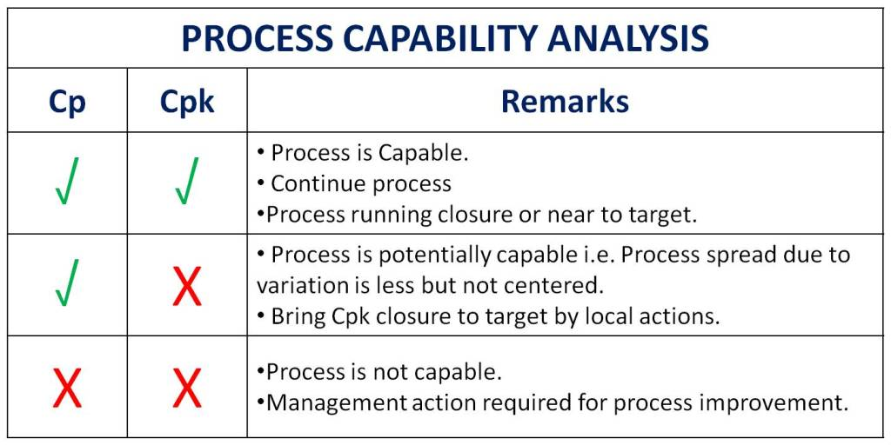
11 | Nov-14 | 20 | 22250 | 5.59 | 15308 | 15301 | 69% | 69%
12 | Dec-14 | 20 | 27482 | 4.02 | 16324 | 22585 | 59% | 82%
13 | Jan-15 | 20 | 24599 | 4.67 | 20366 | 17138 | 83% | 70%
14 | Feb-15 | 20 | 26413 | 3.14 | 25281 | 15187 | 96% | 57%
15 | Mar-15 | 19 | 24840 | 4.87 | 16221 | 17691 | 65% | 71%
16 | Apr-15 | 19 | 27011 | 3.43 | 17368 | 17708 | 64% | 66%
17 | May-15 | 18 | 21166 | 4.85 | 17400 | 14749 | 82% | 70%
18 | Jun-15 | 18 | 28871 | 3.62 | 26417 | 21618 | 92% | 75%
19 | Jul-15 | 17 | 24515 | 4.19 | 21003 | 19949 | 86% | 81%
20 | Aug-15 | 19 | 21244 | 3.73 | 14573 | 14191 | 69% | 67%
21 | Sep-15 | 20 | 29950 | 4.02 | 23766 | 22833 | 79% | 76%
22 | Oct-15 | 20 | 21387 | 6.08 | 14950 | 14990 | 70% | 70%
23 | Nov-15 | 20 | 23906 | 3.57 | 18848 | 19047 | 79% | 80%
Conclusion: Cp and Cpk Values of 'First call Resolution' and '5 Day resolution' are less than 1, indicating that the process is not capable as per Process Capabality analysis.
24 | Dec-15 | 20 | 27199 | 4.03 | 24115 | 24258 | 89% | 89%
Process Capability Analysis
Process capability analysis is carried out to measure the ability of a process to meet the specifications.

Process capability (Cp ): This is defined as the tolerance width divided by the total spread of process (6 Sigma).
Cp indicates the spread of variation present in a process.

Process Capability Index (Cpk): This is the capability index that accounts for the centering of the process and is defined as the minimum of Cpk upper and Cpk lower.
Cpk is a measure of process performance capability.
Cpk indicates shifting or closeness of process average from the target or mean value.

Interpretations of Cp and Cpk:
When the Cp value is greater than 1 i.e. Cp value >1: The process spread is less and all products fall within the specification limit. Here the process is said to be quite capable of meeting the specification limit.
When the Cp value is equal to 1 i.e. Cp value =1: The process spread is little wide but running within the designed specification limit. Here the process is said to be just capable of meeting the specification limit.
When the Cp value is less than 1 i.e. Cp value <1: The process spread is large and most of the products fall outside the specification limit. Here the process is said to be incapable.
When Cp value equal to Cpk i.e. Cp=Cpk: The Process means is said to be at centre.
When the Cpk value is less than 1 i.e. Cpk value <1: Indicates that the mean of the process is shifted from target and defects will be produced.
When the Cpk value is greater than 1 i.e. Cpk value >1: The center or mean of the process may be shifted from target but still the process is capable of meeting design specification.
In order to achieve Six Sigma quality in the organization, we must reduce the variation in the process so as to achieve the desired value of Cp.

Exercise(2A)
 | https://www.linkedin.com/in/raviteja-padala/ |  |  |  | https://github.com/raviteja-padala

IMPROVING BANK CALL CENTER OPERATIONS | Exercise 2(A)| Measurment System Analysis(MSA)
Exercise 2:
A. What kind of data is shown in Table 2?
Which method would you use for measurement system analysis (MSA) to verify the repeatability and reproducibility of QA results? Conduct the appropriate MSA.

 |  | Table 2
 |  | Voice Sample | Master Appraiser | John Trial 1 | John Trial 2 | Miranda Trial 1 | Miranda Trial 2
 |  | 1 | 3 | 3 | 2 | 3 | 3
 |  | 2 | 2 | 2 | 2 | 2 | 2
 |  | 3 | 2 | 2 | 2 | 2 | 2
 |  | 4 | 4 | 4 | 3 | 4 | 4
 |  | 5 | 2 | 1 | 1 | 1 | 1
 |  | 6 | 5 | 5 | 4 | 5 | 5
 |  | 7 | 4 | 4 | 4 | 5 | 4
 |  | 8 | 3 | 3 | 2 | 3 | 3
 |  | 9 | 3 | 3 | 3 | 3 | 3
 |  | 10 | 4 | 4 | 5 | 4 | 4
 |  | 11 | 2 | 2 | 1 | 2 | 2
 |  | 12 | 3 | 3 | 3 | 3 | 3
 |  | 13 | 5 | 5 | 4 | 5 | 5
 |  | 14 | 2 | 2 | 2 | 2 | 2
 |  | 15 | 2 | 2 | 2 | 2 | 2
 |  | 16 | 2 | 2 | 2 | 2 | 2
 |  | 17 | 2 | 2 | 2 | 2 | 2
 |  | 18 | 4 | 4 | 3 | 4 | 3
 |  | 19 | 3 | 3 | 3 | 3 | 3
 |  | 20 | 2 | 2 | 2 | 2 | 2
What kind of data is shown in Table 2?
*The data provided above is continuous data. Continuous data is a type of data that can take on any value within a given range. In this case, the data is the measurements of the voice samples, which can take on any value within a given range.
Some examples of continuous data:Temperature,Weight,Height,Time,Distance,Volume,Speed.

*Attribute data, on the other hand, is a type of data that can only take on a limited number of values. For example, the data could be the gender of the appraisers, which can only take on two values: male or female.
More examples include True or False, PAss or Fail, colors etc.

Q>Which method would you use for measurement system analysis (MSA) to verify the repeatability and reproducibility of QA results?
* The most appropriate method for MSA to verify the repeatability and reproducibility of QA results in this case is the ANOVA method.
In the case of the data provided, we only have one appraiser, so we would use a one-way ANOVA to conduct the MSA. A one-way ANOVA is appropriate when you have one independent variable with multiple levels (groups) and you want to compare the means of the dependent variable across those groups. In this scenario, the independent variable (appraiser) has only one level, while the dependent variable is the voice sample.
Therefore, a one-way ANOVA is suitable to compare the voice samples of one appraiser and two operators. It will assess whether there are statistically significant differences in the voice samples among the three groups (appraiser and two operators).

 | Anova: Single Factor

 | SUMMARY
 | Groups | Count | Sum | Average | Variance
 | Master Appraiser | 20 | 59 | 2.95 | 1.1026315789
 | John Trial 1 | 20 | 58 | 2.9 | 1.2526315789
 | John Trial 2 | 20 | 52 | 2.6 | 1.0947368421
 | Miranda Trial 1 | 20 | 59 | 2.95 | 1.4184210526
 | Miranda Trial 2 | 20 | 57 | 2.85 | 1.1868421053

 | ANOVA
 | Source of Variation | SS | df | MS | F | P-value | F crit
 | Between Groups | 1.7 | 4 | 0.425 | 0.35093437636 | 0.84279619193 | 2.4674936234
 | Within Groups | 115.05 | 95 | 1.2110526316

 | Total | 116.75 | 99
*Null Hypothesis: Means are the same. *Alternate Hypothesis: Means are different.
*The P value (0.842) is greater than the significance level (0.05), so we "Cannot Reject the Null Hypothesis (Accept the Null Hypothesis)" that the means are equivalent.
*There is no significant variation between measurements made by the appraiser. Therefore, the measurement system is considered to be repeatable and reproducible.

Exercise (2B)
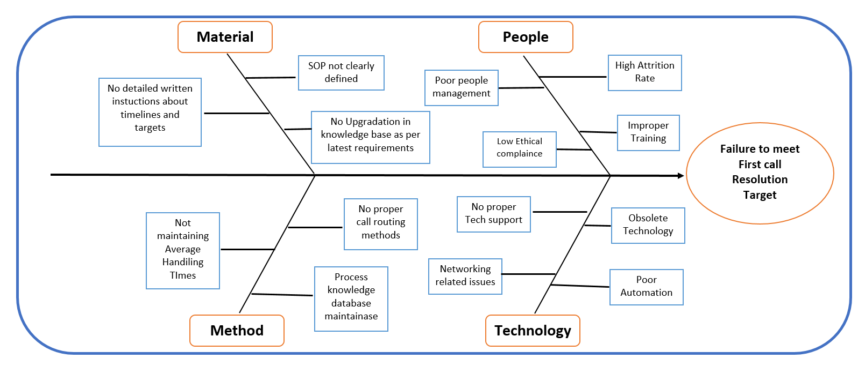
 | https://www.linkedin.com/in/raviteja-padala/ | https://github.com/raviteja-padala

IMPROVING BANK CALL CENTER OPERATIONS | Exercise 2(B)| Determining Potential causes
Exercise 2:
B. Determine the potential causes why CCS(Customer Calling Services ) fails to meet First Call Resolution targets consistently.

> Problem Statement: CCS(Customer Calling Services ) is failing to meet First Call Resolution targets consistently.
> Potential Cause: A potential cause refers to a factor or condition that has the possibility of leading to a particular event, outcome, or phenomenon. In the current scenario potential causes are the Factors that are leading CCS to fail in meeting its targets.
> Tools to identify Potential causes: There are several tools that can be used to identify and list out the potential causes and help in performing the root cause analysis of that problem. Some tools are - Pareto charts, 5- WHY analysis, Ishikawa Fishbone Diagram , Brainstorming, Failure Mode and Effects Analysis (FMEA) and Fault Tree Analysis
> We will use Fishbone or Ishikawa diagram to identify the potential causes. This tool helps visually map out potential causes by identifying major categories of factors that could contribute to a problem . It organizes potential causes into categories such as people, process, equipment, materials, methods allowing for a comprehensive analysis.

Exercise (2C)
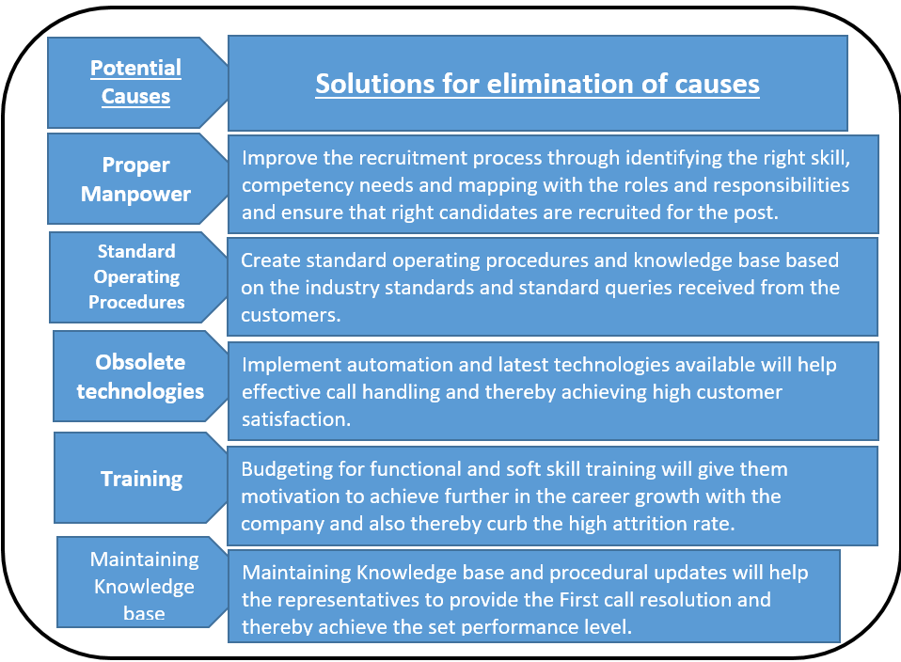
 | https://www.linkedin.com/in/raviteja-padala/ | https://github.com/raviteja-padala

IMPROVING BANK CALL CENTER OPERATIONS | Exercise 2(C)| Brainstorm and propose solutions
Exercise 2 :
C. Brainstorm and propose solutions for elimination of causes for failure to meet FCR targets.

Brainstorming
>Brainstorming is using one’s ideas and thoughts to storm a problem with a horde of creative solutions. It’s a technique used for idea generation and to spark creativity. Brainstorming involves different techniques aiming to resolve the problem statement.

>Problem Statement: CCS(Customer Calling Services ) is failing to meet First Call Resolution targets consistently.
>Target: To propose solutions for elimination of causes for failure to meet FCR targets.
>Below are some of solutions for potentials causes obtained after brainstorming.

Exercise(3)
 | https://www.linkedin.com/in/raviteja-padala/ |  | https://github.com/raviteja-padala

IMPROVING BANK CALL CENTER OPERATIONS | Exercise 3| FMEA(Failure Mode Effective Analysis)
Exercise 3 :
FMEA
Identify potential failure modes and their effects for the solutions proposed in Exercise 2 using learning on FMEA.

Failure Mode and Effect Analysis (FMEA) is a systematic method for identifying possible failures that pose the greatest overall risk for a process or service which could include failures in design, manufacturing or assembly lines. A process analysis tool, it depends on identifying:
>Failure mode: One of the ways in which a product can fail; one of its possible deficiencies
>Failure Effect: The consequences of a particular mode of failure
>Analysis of the Failure mode: Its severity, occurance and chance of detection.
>Calculate the risk priority number RPN = S × O × D. These numbers provide guidance for ranking potential failures in the order they should be addressed.
>Identify and implement process changes to lower severity or occurrence. They may be additional controls to improve detection.

Solution |  | Potential Failure mode | Potential Failure effect | Sevearity | Occurance | Detection | RPN
Proper Man Power |  | Representative not available | Annoyed customer | 9 | 3 | 6 | 162%
Standard Operating Procedure |  | Incorrect resoluntion provided | Dissatisfied customer | 8 | 6 | 8 | 384%
Obsolete Technologies |  | Network/server Issue | Call drops | 10 | 4 | 5 | 160%
Training |  | Improper guaidance | Annoyed customer | 8 | 2 | 5 | 100%
Knowledge Base Maintainance |  | Inexperience/More hold time | Annoyed customer | 9 | 5 | 3 | 135%

Conclusion:
Detailed analysis was carreied out on the questions mentioned as per six sigma practices and detailed expalnation was provided. Six sigma seeks to improve process quality by removing causes of defects and minimizing variability. Proper resolution of problems can be achieved by following Six sigma methodologies.

